RESIDUAL
 |  |  |  |  |  | 2021
RESIDUAL INCOME WORKSHEET

 |  |  | BORROWER:

 |  |  | CO-BORROWER:

 | PROPOSED LOAN AMOUNT |  |  |  | $-

1 | Gross Monthly Income |  |  |  | $-
2 | Monthly Income Taxes
 |  | a. Federal Income Tax |  |  | $-
 |  | b. State Income Tax |  |  | $-
 |  | c. Social Security/Medicare (7.65% / 15.3% SE) |  |  | $-
 |  | d. Other (Specify) |  |  | $-
 | TOTAL |  |  |  |  | $-
 |  |  |  | Net Take Home Pay |  | $-
3 | Monthly Housing Expense (PITIA)
 |  | a. Principal & Interest |  |  | $-
 |  | b. Other Financing |  |  | $- |  | Region | States
 |  | c. Hazard/Homeowners Insurance |  |  | $- |  | Northeast | CT, MA, ME, NH, NJ, NY, PA, RI, VT
 |  | d. Real Estate/Property Taxes |  |  | $- |  | Midwest | IA, IL, IN, KS, MI, MN, MO, ND, NE, OH, SD, WI
 |  | e. Mortgage Insurance (FHA MIP) |  |  | $- |  | South | AL, AR, DC, DE, FL, GA, KY, LA, MD, MS, NC, OK, PR, SC, TN, TX, VA, VI, WV
 |  | f. HOA Dues/Assessments |  |  | $- |  | West | AK, AZ, CA, CO, HI, ID, MT, MN, NV, OR, UT, WA, WY
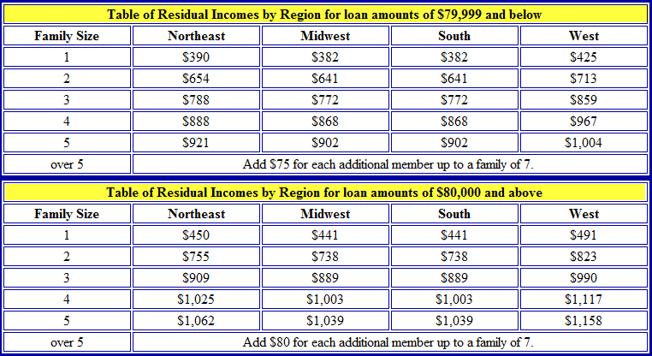
 |  | g. Other |  |  | $-
 |  | h. Maintenance & Utilities (subject property) |  |  | $-
 |  | Use 14¢ x subject property gross living area (1000 sq. ft. home = $140.00)
 | TOTAL |  |  |  |  | $-
4 | Monthly Debts & Obligations
 |  | a. Auto Loan(s) |  |  | $-
 |  | b. Revolving Charge Accounts |  |  | $-
 |  | c. Installment Loans |  |  | $-
 |  | d. Child Care Expenses (Child Support/Alimony) |  |  | $-
 | TOTAL |  |  |  |  | $-
5 | Residual Income
 |  | a. Amount required for family size |  |  | $-
 |  | Include all members of the household regardless of the relationship from the chart to the right.

 |  | b. Balance Available for Family Support |  |  |  | $-
Underwriter Comments:

UW Factors for SE
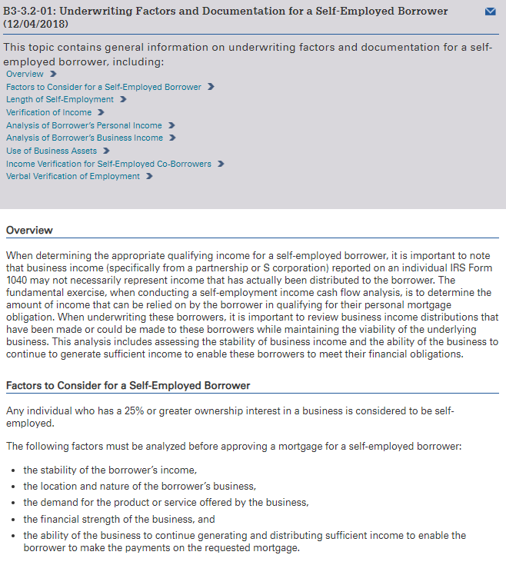
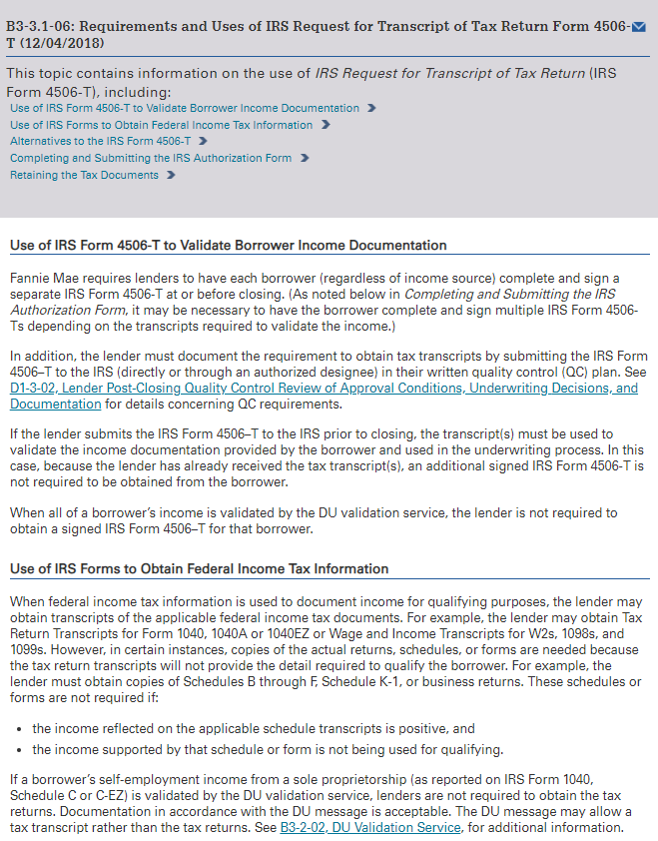

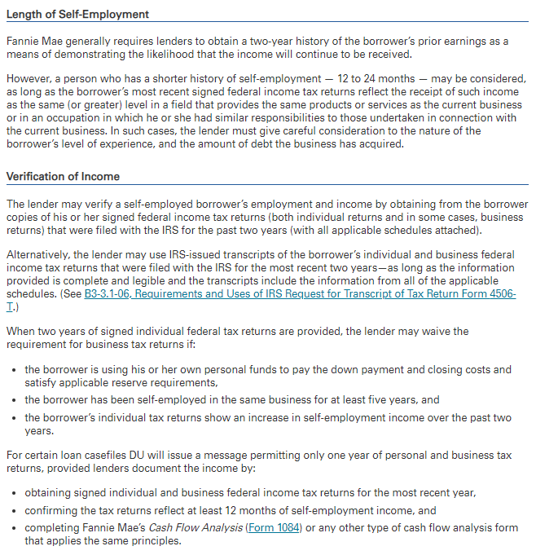

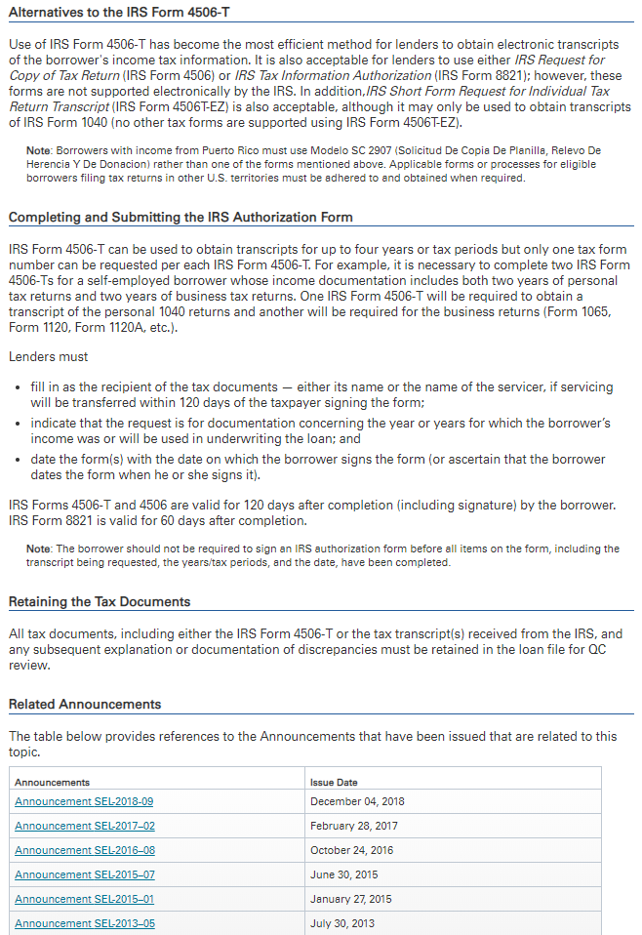

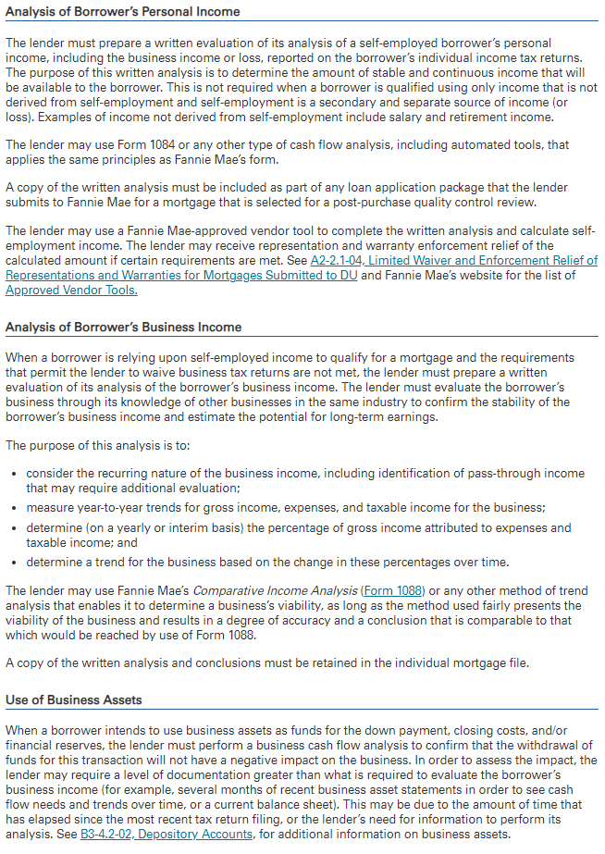

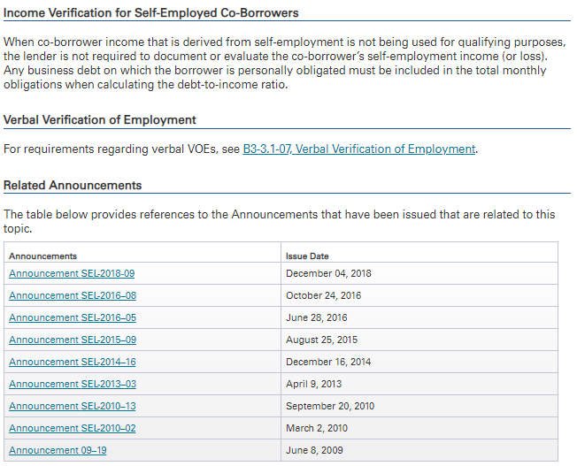

Sch C
 |  |  |  |  | 2021
SELF EMPLOYMENT FOR SOLE PROPRIETOR SCHEDULE C (Form 1040 or 1040-SR)

 | BORROWER:

 | BUSINESS #1
SOLE PROPRIETORSHIP
Obtain 2020 & 2019 1040 Tax Returns with all schedules including schedule C along with 2021 P&L

 |  |  |  | Most Recent Tax Year →

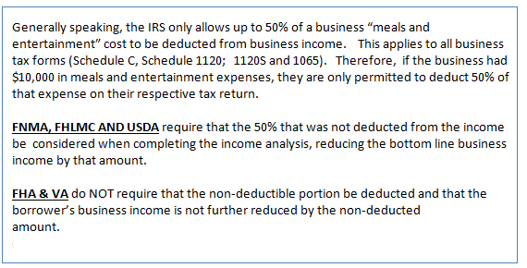
Net Profit or Loss (Line 31 of Sch C) * |  |  | $- |  | $-
 |  |  | * 2019 Schedule 1 (Form 1040 or 1040-SR) Line 3 (or Form 1040-NR) Line 13 AND Schedule SE Line 2 |  | * 2020 Schedule 1 (Form 1040 or 1040-SR) Line 3 (or Form 1040-NR) Line 13 AND Schedule SE Line 2

Nonrecurring Other (Income) Loss/Expense |  |  | $- |  | $-

+ Depletion (Line 12 of Sch C) |  |  | $- |  | $-
+ Depreciation (Line 13 of Sch C) |  |  | $- |  | $-
- Meals & Entertainment (Line 24b of Sch C) ** |  |  | $- | Enter as Negative | $-
**DOT workers can deduct up to 80% (Supporting Statement required to verify allowable deduction)
**Supporting Statement must be provided to determine evidence of percentage of deduction taken (max 80%).
+ Amorization or Casualty Loss (Part V of Sch C) |  |  | $- |  | $-
+ Business Use of Home (Line 30 of Sch C) |  |  | $- |  | $-
+ Business Mileage (Part IV Sch C or Form 4562) |  |  | $- | VA does NOT allow add back | $-
2018 25₵ / 2019 26₵ / 2020 27₵
 |  |  | $- | Total Income for Tax Year | $-

 |  |  | $- | MONTHLY INCOME | $-

 |  | 24 Month Average | $-

 |  |  |  | Qualifying Income Used | $-

Income Calculation Explanation:

SELF EMPLOYMENT FOR SOLE PROPRIETOR SCHEDULE C

 | BORROWER:

 | BUSINESS #2
SOLE PROPRIETORSHIP
Obtain 2020 & 2019 1040 Tax Returns with all schedules including schedule C along with 2021 P&L

 |  |  |  | Most Recent Tax Year →

Net Profit or Loss (Line 31 of Sch C) * |  |  | $- |  | $-
 |  |  | * 2019 Schedule 1 (Form 1040 or 1040-SR) Line 3 (or Form 1040-NR) Line 13 AND Schedule SE Line 2 |  | * 2020 Schedule 1 (Form 1040 or 1040-SR) Line 3 (or Form 1040-NR) Line 13 AND Schedule SE Line 2

Nonrecurring Other (Income) Loss/Expenses |  |  | $- |  | $-

+ Depletion (Line 12 of Sch C) |  |  | $- |  | $-
+ Depreciation (Line 13 of Sch C) |  |  | $- |  | $-
- Meals & Entertainment (Line 24b of Sch C) ** |  |  | $- | Enter as Negative | $-
**DOT workers can deduct up to 80% (Supporting Statement required to verify allowable deduction)
**Supporting Statement must be provided to determine evidence of percentage of deduction taken (max 80%).
+ Amorization or Casualty Loss (Part V of Sch C) |  |  | $- |  | $-
+ Business Use of Home (Line 30 of Sch C) |  |  | $- |  | $-
+ Business Mileage (Part IV Sch C or Form 4562) |  |  | $- | VA does NOT allow add back | $-
2018 25₵ / 2019 26₵ / 2020 27₵
 |  |  | $- | Total Income for Tax Year | $-

 |  |  | $- | MONTHLY INCOME | $-

 |  | 24 Month Average | $-

 |  |  |  | Qualifying Income Used | $-

Income Calculation Explanation:

K1 1065
 |  |  |  | 2021
Schedule K1 (Form 1065) Partnership Earnings

 | BORROWER:

 | BUSINESS 1

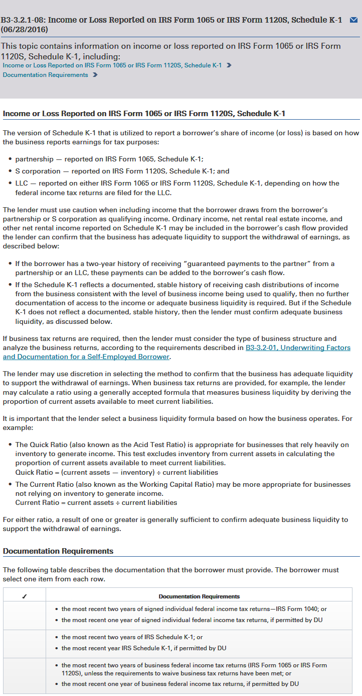
 |  |  | Most Recent Tax Year →

Ordinary Income (Loss) Box 1 K-1 |  | $- | (Loss) Enter as Negative | $-
Net Rental RE; Other Net Rental Income (Loss) Box 2 and/or 3 K-1 |  | $- | (Loss) Enter as Negative | $-
Guaranteed Payments to Partner (Line 4c K-1) |  | $- | 2 Year history required | $-

 |  | $- | KI Earnings | $-

Percentage of Ownership (Box J) |  | 0% |  | 0%

Ordinary (Income) Loss from Other P-Ships (Line 4) |  | $- | (Income) Enter as Negative | $-
Nonrecurring Other (Income) Loss (Line 7) |  | $- | (Income) Enter as Negative | $-
Depreciation (Line 16c) |  | $- |  | $-
Depletion (Line 17) |  | $- |  | $-
Amortization/Casualty Loss (Line 20) * |  | $- |  | $-
* Amorization/Casualty Loss is disclosed in sub-schedule that rolls up to Line 20
Mortgages, Notes, Bonds payable in less than 1 year |  | $- | Enter as Negative | $-
(Schedule L Line 16d - Ending Balance)
Non-deductible Travel & Entertainment (Schedule M-1 Line 4b→3b) |  | $- | Enter as Negative | $-
W-2 Earnings |  | $- |  | $-

Adjustments Subtotal |  | $- |  | $-

Total Form 1065 (Subtotal multiplied by percentage of ownership) |  | $- |  | $-

 |  | $- | MONTHLY INCOME | $-

 |  | $- | ANNUAL INCOME | $-

 |  | 24 MONTH AVERAGE INCOME |  | $-

Underwriter Comments:

K1 / 1065 Partnership Earnings

 | BORROWER:

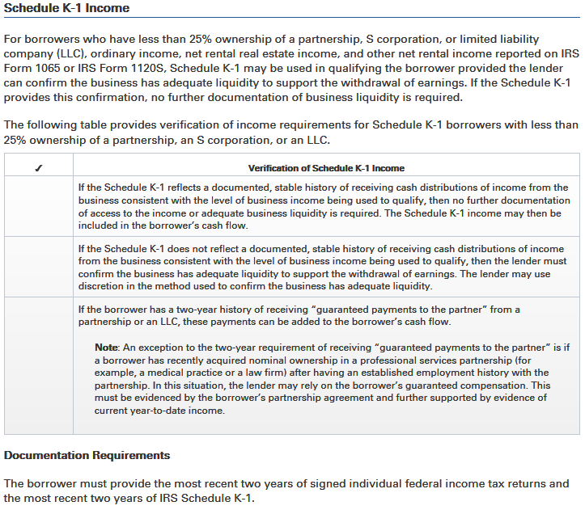
 | BUSINESS 2

 |  |  | Most Recent Tax Year →

Ordinary Income (Loss) Box 1 K-1 |  | $- | (Loss) Enter as Negative | $-
Net Rental RE; Other Net Rental Income (Loss) Box 2 and/or 3 K-1 |  | $- | (Loss) Enter as Negative | $-
Guaranteed Payments to Partner (Line 4c K-1) |  | $- | 2 Year history required | $-

 |  | $- | KI Earnings | $-

Percentage of Ownership (Box J) |  | 0% |  | 0%

Ordinary (Income) Loss from Other P-Ships (Line 4) |  | $- | (Income) Enter as Negative | $-
Nonrecurring Other (Income) Loss (Line 7) |  | $- | (Income) Enter as Negative | $-
Depreciation (Line 16c) |  | $- |  | $-
Depletion (Line 17) |  | $- |  | $-
Amortization/Casualty Loss (Line 20) * |  | $- |  | $-
* Amorization/Casualty Loss is disclosed in sub-schedule that rolls up to Line 20
Mortgages, Notes, Bonds payable in less than 1 year |  | $- | Enter as Negative | $-
(Schedule L Line 16d - Ending Balance)
Non-deductible Travel & Entertainment (Schedule M-1 Line 4b→3b) |  | $- | Enter as Negative | $-
W-2 Earnings |  | $- |  | $-

Adjustments Subtotal |  | $- |  | $-

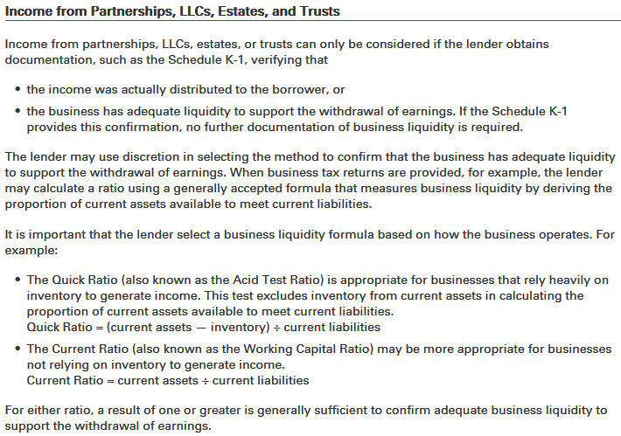
Total Form 1065 (Subtotal multiplied by percentage of ownership) |  | $- |  | $-

 |  | $- | MONTHLY INCOME | $-

 |  | $- | ANNUAL INCOME | $-

 |  | 24 MONTH AVERAGE INCOME |  | $-

Underwriter Comments:

K1 1120S
 |  |  |  |  | 2021
K1 / 1120S S-Corporation Earnings

 | BORROWER

 | BUSINESS 1

 |  |  |  | Most Recent Tax Year →

Ordinary Income (Loss) Box 1 K-1 |  |  | $- | (Loss) Enter as Negative | $-
Net Rental RE; Other Net Income (Loss) Box 2 and/or 3 K-1 |  |  | $- | (Loss) Enter as Negative | $-

 |  | K1 Earnings | $- |  | $-

Percentage of Ownership (Box F) |  |  | 0% |  | 0%

Adjustments to Business Cash Flow
Nonrecurring Other (Income) Loss (Line 5) |  |  | $- | (Income) Enter as Negative | $-
Depreciation (Line 14) |  |  | $- |  | $-
Depletion (Line 15) |  |  | $- |  | $-
Amortization/Casualty Loss (Line 19) * |  |  | $- |  | $-
* Amortization/Casualty Loss is disclosed in sub-schedule that rolls up to Line 20
Mortgages, Notes, Bonds payable in less than 1 year |  |  | $- | Enter as Negative | $-
(Schedule L Line 17d)
Non-deductible Travel & Entertainment |  |  | $- | Enter as Negative | $-
(Schedule M-1 Line 3b)
W2 Earnings |  |  | $- |  | $-

Adjustments Subtotal |  |  | $- |  | $-

Total Form 1120S (subtotal x % of ownership) + W2 Earnings |  |  | $- |  | $-

 |  |  | $- | ANNUAL INCOME | $-

 |  |  | $- | MONTLY INCOME | $-

 |  |  | 24 MONTH AVERAGE INCOME |  | $-

Income Calculation Explanation:

K1 / 1120S S-Corporation Earnings

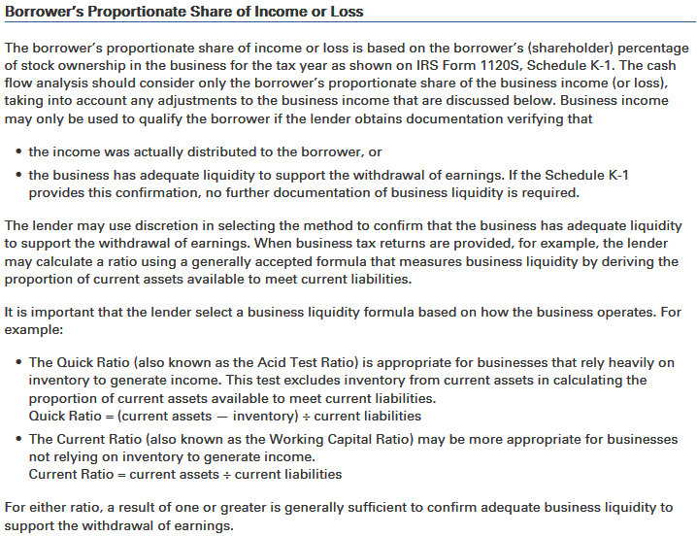
 | BORROWER

 | BUSINESS 1

 |  |  |  | Most Recent Tax Year →

Ordinary Income (Loss) Box 1 K-1 |  |  | $- | (Loss) Enter as Negative | $-
Net Rental RE; Other Net Income (Loss) Box 2 and/or 3 K-1 |  |  | $- | (Loss) Enter as Negative | $-

 |  | K1 Earnings | $- |  | $-

Percentage of Ownership (Box F) |  |  | 0% |  | 0%

Adjustments to Business Cash Flow
Nonrecurring Other (Income) Loss (Line 5) |  |  | $- | (Income) Enter as Negative | $-
Depreciation (Line 14) |  |  | $- |  | $-
Depletion (Line 15) |  |  | $- |  | $-
Amortization/Casualty Loss (Line 19) * |  |  | $- |  | $-
* Amortization/Casualty Loss is disclosed in sub-schedule that rolls up to Line 20
Mortgages, Notes, Bonds payable in less than 1 year |  |  | $- | Enter as Negative | $-
(Schedule L Line 17d)
Non-deductible Travel & Entertainment |  |  | $- | Enter as Negative | $-
(Schedule M-1 Line 3b)

W2 Earnings |  |  | $- |  | $-

Adjustments Subtotal |  |  | $- |  | $-

Total Form 1120S (subtotal x % of ownership) + W2 Earnings |  |  | $- |  | $-

 |  |  | $- | ANNUAL INCOME | $-

 |  |  | $- | MONTLY INCOME | $-

 |  |  | 24 MONTH AVERAGE INCOME |  | $-

Income Calculation Explanation:

CCorp 1120
 |  |  |  |  | 2021
SELF EMPLOYMENT C CORP INCOME (1120)

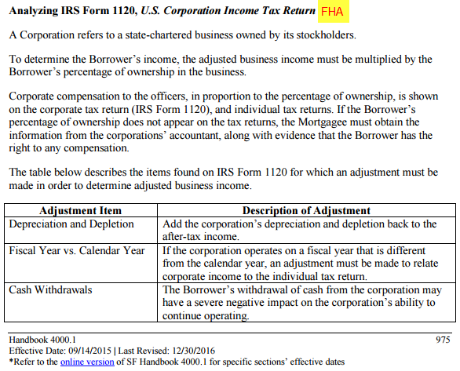
 | BORROWER

 | BUSINESS 1

CORPORATION (Need 1040 & Form 1120 with attachments as shown on 1120)

 |  |  |  | Most Recent Tax Year →

Taxable Income (Line 30 Form 1120) |  |  | $- |  | $-
Total Tax (Line 31 Form 1120) |  |  | $- | Enter as Negative | $-
Nonrecurring (Gains) Losses (Line 9 Form 1120, from Form 4797) |  |  | $- | (Gains) Enter as Negative | $-
Nonrecurring Other (Income) Loss (Line 10 Form 1120) |  |  | $- | (Income) Enter as Negative | $-
Depreciation (Line 20 Form 1120) |  |  | $- |  | $-
Depletion (Line 21 Form 1120) |  |  | $- |  | $-
Amortization or Casualty Loss (Line 26 - Attach Statement) |  |  | $- |  | $-
Net Operating Loss & Special Deductions (Line 29c Form 1120) |  |  | $- |  | $-
Mortgage, Note, Bond payable in less than 1 year |  |  | $- | Enter as Negative | $-
(Schedule L - Line 17 form 1120)
Travel, Meals & Entertainment Exclusion |  |  | $- | Enter as Negative | $-
(Schedule MI - Line 5c form 1120)
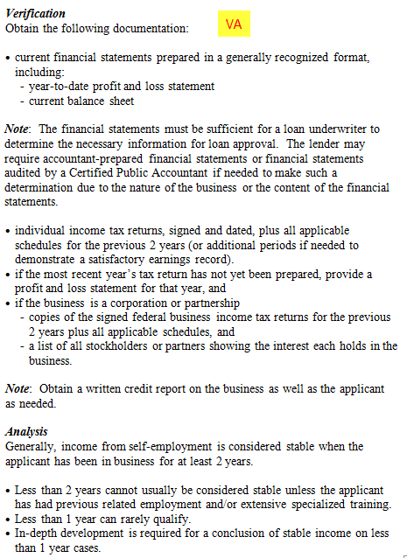
Dividends Paid to Borrower (1040 Schedule B, Part II) |  |  | $- | Enter as Negative | $-

Total Income for Tax Year from Corporation |  |  | $- |  | $-

% of Ownership in Corporation (1125-E) |  |  | 100% |  | 100%

W2 |  |  | $- |  | $-

Borrower's Income for Tax Year |  |  | $- |  | $-

 |  |  | $- | MONTHLY INCOME | $-

 |  | 24 MONTH AVERAGE | $-
 |  |  | QUALIFYING INCOME USED |  | $-

Income Calculation Explanation:

SELF EMPLOYMENT C CORP INCOME (1120)

 | BORROWER

 | BUSINESS 2

CORPORATION (Need 1040 & Form 1120 with attachments as shown on 1120)

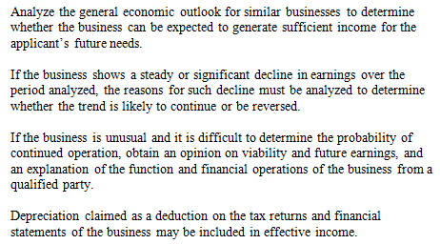
 |  |  |  | Most Recent Tax Year →

Taxable Income (Line 30 Form 1120) |  |  | $- |  | $-
Total Tax (Line 31 Form 1120) |  |  | $- | Enter as Negative | $-
Nonrecurring (Gains) Losses (Line 9 Form 1120, from Form 4797) |  |  | $- | (Gains) Enter as Negative | $-
Nonrecurring Other (Income) Loss (Line 10 Form 1120) |  |  | $- | (Income) Enter as Negative | $-
Depreciation (Line 20 Form 1120) |  |  | $- |  | $-
Depletion (Line 21 Form 1120) |  |  | $- |  | $-
Amortization or Casualty Loss (Line 26 - Attach Statement) |  |  | $- |  | $-
Net Operating Loss & Special Deductions (Line 29c Form 1120) |  |  | $- |  | $-
Mortgage, Note, Bond payable in less than 1 year |  |  | $- | Enter as Negative | $-
(Schedule L - Line 17 form 1120)
Travel, Meals & Entertainment Exclusion |  |  | $- | Enter as Negative | $-
(Schedule MI - Line 5c form 1120)
Dividends Paid to Borrower (1040 Schedule B, Part II) |  |  | $- | Enter as Negative | $-

Total Income for Tax Year from Corporation |  |  | $- |  | $-

% of Ownership in Corporation (1125-E) |  |  | 100% |  | 100%

W2 |  |  | $- |  | $-

Borrower's Income for Tax Year |  |  | $- |  | $-

 |  |  | $- | MONTHLY INCOME | $-

 |  | 24 MONTH AVERAGE | $-
 |  |  | QUALIFYING INCOME USED |  | $-

Income Calculation Explanation:

FHA Rent
 |  |  |  |  |  |  | 2021
FHA RENTAL INCOME SUBJECT PROPERTY |  |  |  |  |  |  |  | Effective for case numbers assigned on or after August 12, 2020 through November 30, 2020. ▪ In addition to 4000.1 Handbook requirements, for each property generating rental income, HBFS must either: - Reduce the effective income associated with the calculation of rental income by 25% (this is an additional reduction, after the standard calculations are completed); or - Verify six (6) months PITI reserves; or - Verify borrower has received the previous two (2) months rental payments as evidenced by borrower's bank statements showing the deposit (this option is applicable only for borrowers with a history of rental income from the property).

 | BORROWER

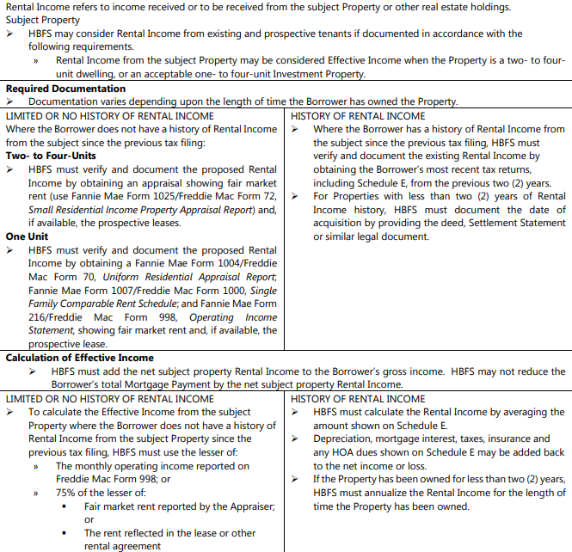
Borrower does NOT have a history of rental income from subject since previous tax filing.
Monthly operating income reported on FHLMC Form 998 |  |  |  |  |  |  | $0.00
Fair Market Rent reported by the Appraiser |  |  |  |  | $0.00 | x 75% | $0.00
The rent reflected in the lease or other rental agreement |  |  |  |  | $0.00 | x 75% | $0.00
 |  |  |  |  |  |  | Lesser of
 |  |  |  |  | Effective Income |  | $0.00

Case # Assignment Date |  |  | ML 2020-24 Case # assignment date does not require 25% reduction of income or verification of 6 Months PITI Reserves or verification of 2 Months rental payments received; Ignore 25% calculated reduction to the right.
2020-08-12 |  | No |  |  |  |  | $0.00
2020-11-30

Borrower HAS history of rental income from the subject property since the previous tax filing.

 |  |  |  |  | Most Recent Tax Year →

 | Income (+) or Loss (-) (Line 21) |  | $0.00 | (Loss) Enter as Negative |  |  | $0.00
 | Depreciation (Line 18) |  | $0.00 |  |  |  | $0.00
 | Insurance (Line 9) |  | $0.00 |  |  |  | $0.00
 | Mortgage Interest (Line 12) |  | $0.00 |  |  |  | $0.00
 | Taxes (Line 16) |  | $0.00 |  |  |  | $0.00
 | HOA Dues (Line 19 if appl) |  | $0.00 |  |  |  | $0.00

 | Gross Rental Income (Loss) |  | $0.00 |  |  |  | $0.00

 | Monthly Gross Rental (Loss) |  | $0.00 |  |  |  | $0.00

 | 24 Month Average Rental Income (Loss) |  |  |  |  |  | $0.00

 | Enter number of months property owned

 | Annualized Income (Loss) |  |  |  |  |  | #DIV/0!

 | Declining 12 Month Income |  |  |  |  |  | FALSE

Case # Assignment Date |  |  | ML 2020-24 Case # assignment date does not require 25% reduction of income or verification of 6 Months PITI Reserves or verification of 2 Months rental payments received; Ignore 25% calculated reduction to the right.
2020-08-12 |  | No |  |  |  |  | #DIV/0!
2020-11-30

Underwriter Comments:

FHA RENTAL INCOME NOT SUBJECT PROPERTY |  |  |  |  |  |  |  | Effective for case numbers assigned on or after August 12, 2020 through November 30, 2020. ▪ In addition to 4000.1 Handbook requirements, for each property generating rental income, HBFS must either: - Reduce the effective income associated with the calculation of rental income by 25% (this is an additional reduction, after the standard calculations are completed); or - Verify six (6) months PITI reserves; or - Verify borrower has received the previous two (2) months rental payments as evidenced by borrower's bank statements showing the deposit (this option is applicable only for borrowers with a history of rental income from the property).

 | BORROWER

 | PROPERTY #1
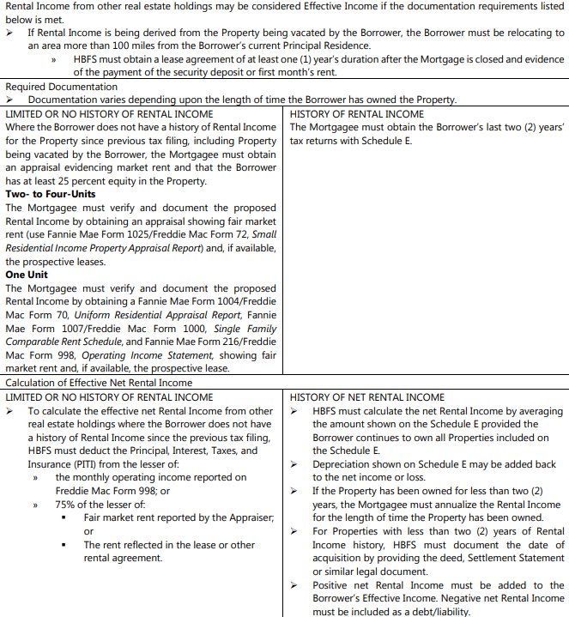
Borrower does NOT have a history of rental income from subject since previous tax filing.

Monthly operating income reported on FHLMC Form 998 |  |  |  |  |  |  | $0.00

Fair Market Rent reported by the Appraiser |  |  |  |  | $0.00 | x 75% | $0.00

The rent reflected in the lease or other rental agreement |  |  |  |  | $0.00 | x 75% | $0.00
 |  |  |  |  |  |  | Lesser of
 |  |  |  |  | Effective Income |  | $0.00

Case # Assignment Date |  |  | ML 2020-24 Case # assignment date does not require 25% reduction of income or verification of 6 Months PITI Reserves or verification of 2 Months rental payments received; Ignore 25% calculated reduction to the right.
2020-08-12 |  | No |  |  |  |  | $0.00
2020-11-30

Borrower HAS history of rental income from the subject property since the previous tax filing.

 |  |  |  |  | Most Recent Tax Year →

 | Income (+) or Loss (-) (Line 21) |  | $0.00 | (Loss) Enter as Negative |  |  | $0.00
 | Depreciation (Line 18) |  | $0.00 |  |  |  | $0.00

 | Rental Income (Loss) |  | $0.00 |  | Rental Income (Loss) |  | $0.00

Monthly Rental Income (Loss) |  |  | $0.00 | Monthly Rental Income (Loss) |  |  | $0.00

 |  |  | No |  | 24 Month Average |  | $0.00

 | If property owned less than 2 years enter # of months owned

 |  |  |  |  | Annualized Income |  | #DIV/0!

 |  |  | Declining 12 Month Income |  |  |  | FALSE

Case # Assignment Date |  |  | ML 2020-24 Case # assignment date does not require 25% reduction of income or verification of 6 Months PITI Reserves or verification of 2 Months rental payments received; Ignore 25% calculated reduction to the right.
2020-08-12 |  | No |  |  |  |  | #DIV/0!
2020-11-30

Underwriter Comments:

FHA RENTAL INCOME NOT SUBJECT PROPERTY |  |  |  |  |  |  |  | Effective for case numbers assigned on or after August 12, 2020 through November 30, 2020. ▪ In addition to 4000.1 Handbook requirements, for each property generating rental income, HBFS must either: - Reduce the effective income associated with the calculation of rental income by 25% (this is an additional reduction, after the standard calculations are completed); or - Verify six (6) months PITI reserves; or - Verify borrower has received the previous two (2) months rental payments as evidenced by borrower's bank statements showing the deposit (this option is applicable only for borrowers with a history of rental income from the property).

 | BORROWER

 | PROPERTY #2

Borrower does NOT have a history of rental income from subject since previous tax filing.

Monthly operating income reported on FHLMC Form 998 |  |  |  |  |  |  | $0.00

Fair Market Rent reported by the Appraiser |  |  |  |  | $0.00 | x 75% | $0.00

The rent reflected in the lease or other rental agreement |  |  |  |  | $0.00 | x 75% | $0.00
 |  |  |  |  |  |  | Lesser of
 |  |  |  |  | Effective Income |  | $0.00

Case # Assignment Date |  |  | ML 2020-24 Case # assignment date does not require 25% reduction of income or verification of 6 Months PITI Reserves or verification of 2 Months rental payments received; Ignore 25% calculated reduction to the right.
2020-08-12 |  | No |  |  |  |  | $0.00
2020-11-30

Borrower HAS history of rental income from the subject property since the previous tax filing.

 |  |  |  |  | Most Recent Tax Year →

 | Income (+) or Loss (-) (Line 21) |  | $0.00 | (Loss) Enter as Negative |  |  | $0.00
 | Depreciation (Line 18) |  | $0.00 |  |  |  | $0.00

 | Rental Income (Loss) |  | $0.00 |  | Rental Income (Loss) |  | $0.00

Monthly Rental Income (Loss) |  |  | $0.00 | Monthly Rental Income (Loss) |  |  | $0.00

 |  |  |  |  | 24 Month Average |  | $0.00

 | If property owned less than 2 years enter # of months owned

 |  |  |  |  | Annualized Income |  | #DIV/0!

 |  |  | Declining 12 Month Income |  |  |  | FALSE

Case # Assignment Date |  |  | Case # assignment date does not require 25% reduction of income or verification of 6 Months PITI Reserves or verification of 2 Months rental payments received; Ignore 25% calculated reduction to the right.
2020-08-12 |  | No |  |  |  |  | #DIV/0!
2020-11-30

Underwriter Comments:

FHA RENTAL INCOME NOT SUBJECT PROPERTY |  |  |  |  |  |  |  | Effective for case numbers assigned on or after August 12, 2020 through November 30, 2020. ▪ In addition to 4000.1 Handbook requirements, for each property generating rental income, HBFS must either: - Reduce the effective income associated with the calculation of rental income by 25% (this is an additional reduction, after the standard calculations are completed); or - Verify six (6) months PITI reserves; or - Verify borrower has received the previous two (2) months rental payments as evidenced by borrower's bank statements showing the deposit (this option is applicable only for borrowers with a history of rental income from the property).

 | BORROWER

 | PROPERTY #3

Borrower does NOT have a history of rental income from subject since previous tax filing.

Monthly operating income reported on FHLMC Form 998 |  |  |  |  |  |  | $0.00

Fair Market Rent reported by the Appraiser |  |  |  |  | $0.00 | x 75% | $0.00

The rent reflected in the lease or other rental agreement |  |  |  |  | $0.00 | x 75% | $0.00
 |  |  |  |  |  |  | Lesser of
 |  |  |  |  | Effective Income |  | $0.00

Case # Assignment Date |  |  | ML 2020-24 Case # assignment date does not require 25% reduction of income or verification of 6 Months PITI Reserves or verification of 2 Months rental payments received; Ignore 25% calculated reduction to the right.
2020-08-12 |  | No |  |  |  |  | $0.00
2020-11-30

Borrower HAS history of rental income from the subject property since the previous tax filing.

 |  |  |  |  | Most Recent Tax Year →

 | Income (+) or Loss (-) (Line 21) |  | $0.00 | (Loss) Enter as Negative |  |  | $0.00
 | Depreciation (Line 18) |  | $0.00 |  |  |  | $0.00

 | Rental Income (Loss) |  | $0.00 |  | Rental Income (Loss) |  | $0.00
...

VA Rent
 |  |  | 2021
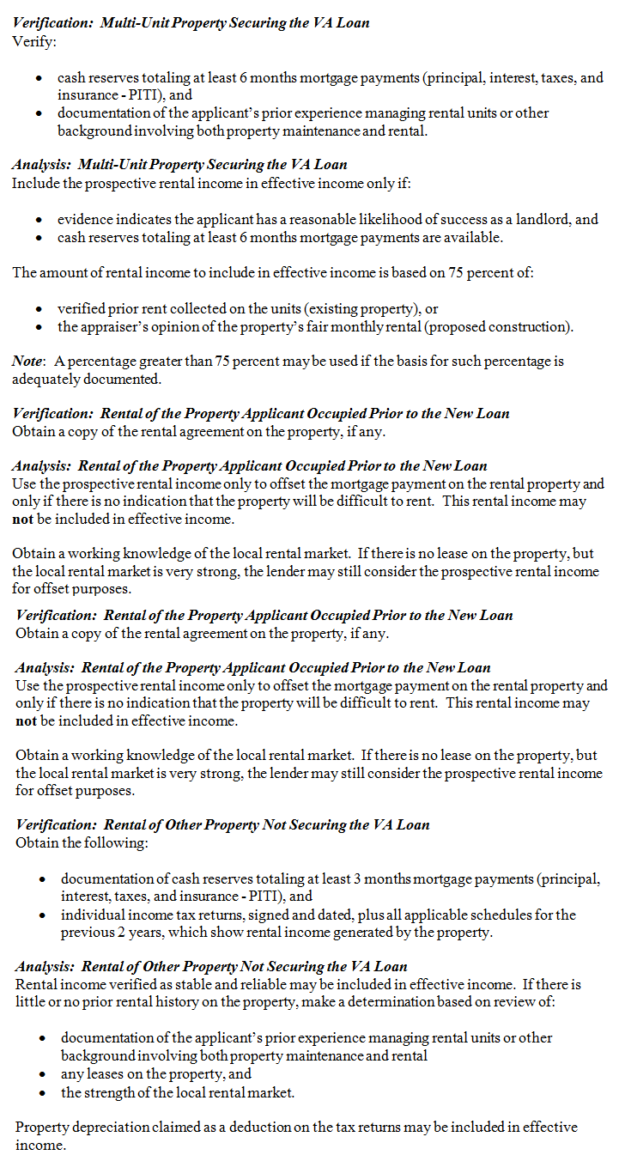
...
BORROWER
...
 |  | Most Recent Tax Year →

 | $- | (Loss) Enter as Negative | $-
 | $- |  | $-

 | $- |  | $-

 | $- |  | $-

 |  | 24 Month Average | $-
...
BORROWER

PROPERTY 1
...
 |  | Most Recent Tax Year →

 | $- | (Loss) Enter as Negative | $-
 | $- |  | $-

 | $- |  | $-

 | $- |  | $-

 |  | 24 Month Average | $-
...
BORROWER

PROPERTY 2
...

