RESIDUAL
 |  |  |  |  |  | January 2026 v.1.0 (KP)
RESIDUAL INCOME WORKSHEET

 |  |  | BORROWER:

 |  |  | CO-BORROWER:

 | PROPOSED LOAN AMOUNT |  |  |  | $-

1 | Gross Monthly Income
2 | Monthly Income Taxes
 |  | a. Federal Income Tax
 |  | b. State Income Tax
 |  | c. Social Security/Medicare (7.65% / 15.3% SE) |  |  | $-
 |  | d. Other (Specify) |  |  | $-
 | TOTAL |  |  |  |  |  | $-
 |  |  |  | Net Take Home Pay |  |  | $-
3 | Monthly Housing Expense (PITIA)
 |  | a. Principal & Interest
 |  | b. Other Financing |  |  | $- |  |  | Region | States
 |  | c. Hazard/Homeowners Insurance |  |  | $- |  |  | Northeast | CT, MA, ME, NH, NJ, NY, PA, RI, VT
 |  | d. Real Estate/Property Taxes |  |  | $- |  |  | Midwest | IA, IL, IN, KS, MI, MN, MO, ND, NE, OH, SD, WI
 |  | e. Mortgage Insurance (FHA MIP) |  |  | $- |  |  | South | AL, AR, DC, DE, FL, GA, KY, LA, MD, MS, NC, OK, PR, SC, TN, TX, VA, VI, WV
 |  | f. HOA Dues/Assessments |  |  | $- |  |  | West | AK, AZ, CA, CO, HI, ID, MT, MN, NM, NV, OR, UT, WA, WY
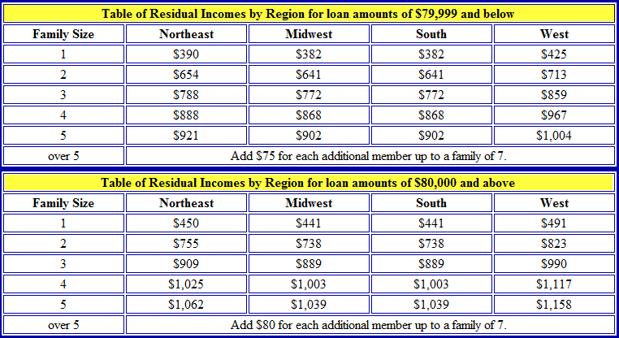
 |  | g. Other
 |  | h. Maintenance & Utilities (subject property) |  |  | $-
 |  | Use 14¢ x subject property gross living area (1000 sq. ft. home = $140.00)
 | TOTAL |  |  |  |  |  | $-
4 | Monthly Debts & Obligations
 |  | a. Auto Loan(s) |  |  | $-
 |  | b. Revolving Charge Accounts
 |  | c. Installment Loans |  |  | $-
 |  | d. Child Care Expenses (Child Support/Alimony) |  |  | $-
 | TOTAL |  |  |  |  |  | $-
5 | Residual Income
 |  | a. Amount required for family size
 |  | Include all members of the household regardless of the relationship from the chart to the right.

 |  | b. Balance Available for Family Support |  |  |  |  | $-
Underwriter Comments:

Sch C
 |  |  |  |  | January 2026 v.1.0 (KP)
SELF EMPLOYMENT FOR SOLE PROPRIETOR SCHEDULE C (Form 1040 or 1040-SR)

 | BORROWER:

 | BUSINESS #1
SOLE PROPRIETORSHIP
Obtain 2025 & 2024 1040 Tax Returns with all schedules including schedule C along with 2026 P&L

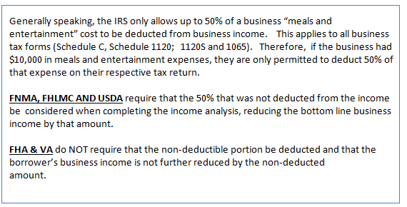
 |  |  |  | Most Recent Tax Year →

Net Profit or Loss (Line 31 of Sch C) *
 |  |  | * Schedule 1 (Form 1040 or 1040-SR) Line 3 (or Form 1040-NR) Line 13 AND Schedule SE Line 2

Nonrecurring Other (Income) Loss/Expense |  |  | $- |  | $-
 |  |  | NOTE: Enter income as Negative and loss as Positive
+ Depletion (Line 12 of Sch C) |  |  | $- |  | $-
+ Depreciation (Line 13 of Sch C) |  |  | $- |  | $-
- Meals & Entertainment (Line 24b of Sch C) ** |  |  | $- | Enter as Negative | $-
**DOT workers can deduct up to 80% (Supporting Statement required to verify allowable deduction)
**Supporting Statement must be provided to determine evidence of percentage of deduction taken (max 80%).
+ Amorization or Casualty Loss (Part V of Sch C) |  |  | $- |  | $-
+ Business Use of Home (Line 30 of Sch C) |  |  | $- |  | $-
+ Business Mileage (Part IV Sch C OR Form 4562 Line #30)
Depreciation based on year and mileage: |  |  |  | ONLY the depreciated portion of BUSINESS MILEAGE may be added back
2023 = .28₵ / 2024 = .30₵ / 2025 .33₵
 |  |  | $- | Total Income for Tax Year | $-

 |  | MONTHLY INCOME | $- | MONTHLY INCOME | $-

 |  | 24 Month Average | $-

 |  |  |  | Qualifying Income Used | $-
FHLMC SE exemption test for 1099 borrower following schdule C
Gross sales/income listed on Schedule C equal the 1099 provided? |  |  |  |  | NOTE: If answer is No the borrower is not eligible for exemption.
Minimum 12-month history of 1099 income and reported expenses? |  |  |  |  | NOTE: If answer is No the borrower is not eligible for exemption.
Costs of Good Sold (Line 4 Sch C) = $0.00 |  |  |  |  | NOTE: If answer is No the borrower is not eligible for exemption.
Gross Receipts/Sales (Line 1 of Sch C) |  |  | $- |  | $-
Total Expenses (Line 28 of Sch C) |  |  | $- |  | $-

Total Expenses (- Depletion/Depreciation) Percentage |  |  | #DIV/0! |  | #DIV/0!
 |  |  | NOTE: If greater than 5.00%
 |  |  | Income must be classified as Self-Employed
Income Calculation Explanation:

SELF EMPLOYMENT FOR SOLE PROPRIETOR SCHEDULE C (Form 1040 or 1040-SR)

 | BORROWER:

 | BUSINESS #1
SOLE PROPRIETORSHIP
Obtain 2025 & 2024 1040 Tax Returns with all schedules including schedule C along with 2026 P&L

 |  |  |  | Most Recent Tax Year →

Net Profit or Loss (Line 31 of Sch C) *
 |  |  | * Schedule 1 (Form 1040 or 1040-SR) Line 3 (or Form 1040-NR) Line 13 AND Schedule SE Line 2

Nonrecurring Other (Income) Loss/Expense |  |  | $- |  | $-

+ Depletion (Line 12 of Sch C) |  |  | $- |  | $-
+ Depreciation (Line 13 of Sch C) |  |  | $- |  | $-
- Meals & Entertainment (Line 24b of Sch C) ** |  |  | $- | Enter as Negative | $-
**DOT workers can deduct up to 80% (Supporting Statement required to verify allowable deduction)
**Supporting Statement must be provided to determine evidence of percentage of deduction taken (max 80%).
+ Amorization or Casualty Loss (Part V of Sch C) |  |  | $- |  | $-
+ Business Use of Home (Line 30 of Sch C) |  |  | $- |  | $-
+ Business Mileage (Part IV Sch C or Form 4562)
Depreciation based on year and mileage: |  |  |  | ONLY the depreciated portion of BUSINESS MILEAGE may be added back
2023 = .28₵ / 2024 = .30₵ / 2025 .33₵
 |  |  | $- | Total Income for Tax Year | $-

 |  |  | $- | MONTHLY INCOME | $-

 |  | 24 Month Average | $-

 |  |  |  | Qualifying Income Used | $-
FHLMC SE exemption test for 1099 borrower following schdule C
Gross sales/income listed on Schedule C equal the 1099 provided? |  |  |  |  | NOTE: If answer is No the borrower is not eligible for exemption.
Minimum 12-month history of 1099 income and reported expenses? |  |  |  |  | NOTE: If answer is No the borrower is not eligible for exemption.
Costs of Good Sold (Line 4 Sch C) = $0.00 |  |  |  |  | NOTE: If answer is No the borrower is not eligible for exemption.
Gross Receipts/Sales (Line 1 of Sch C) |  |  | $- |  | $-
Total Expenses (Line 28 of Sch C) |  |  | $- |  | $-

Total Expenses (- Depletion/Depreciation) Percentage |  |  | #DIV/0! |  | #DIV/0!
 |  |  | NOTE: If greater than 5.00%
 |  |  | Income must be classified as Self-Employed
Income Calculation Explanation:

FNMA UW Factors for SE
B3-3.2-01 Underwriting Factors and Documentation for a Self Employed Borrower (12/13/2023) | B3-3.1-06 Requirements and Uses of IRS IVES Request for Transcript of Tax Return Form 4506-C (3/6/2024)
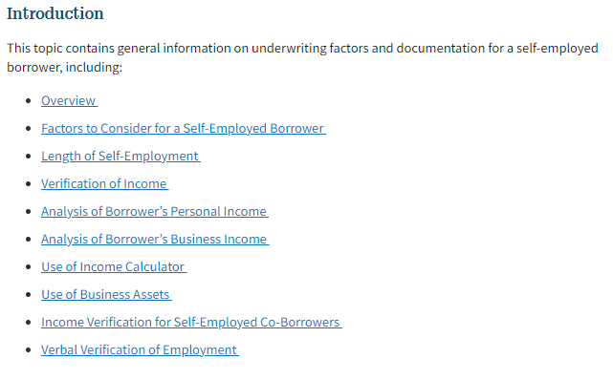
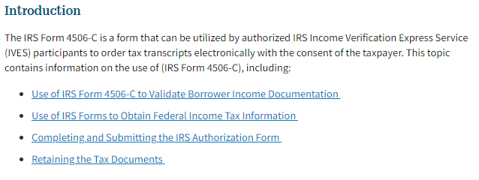

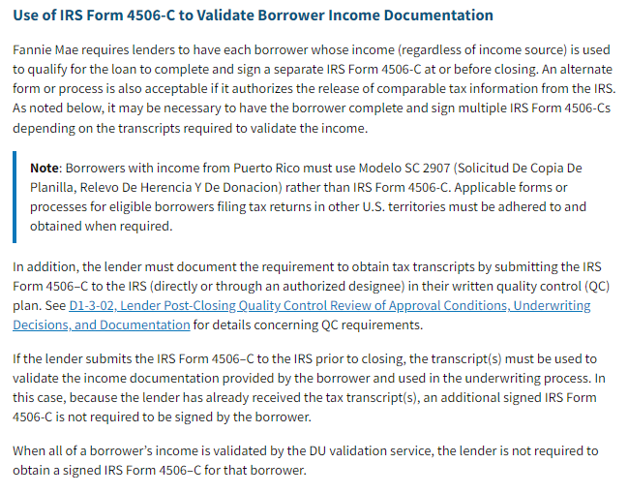

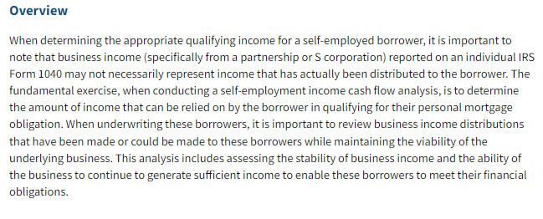

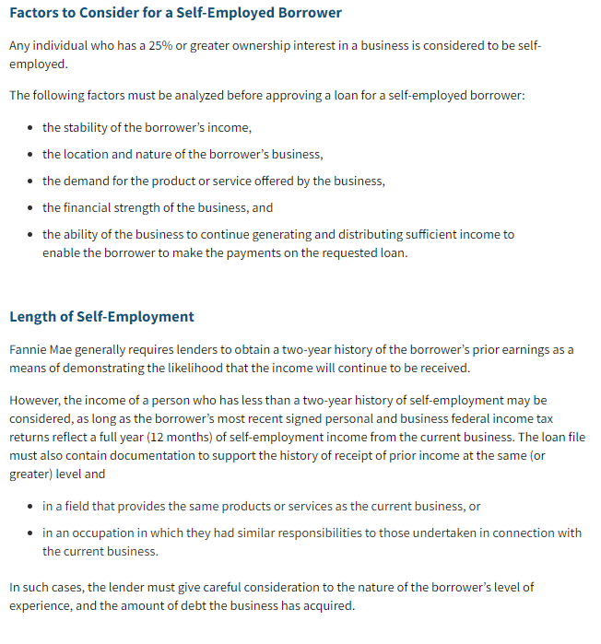

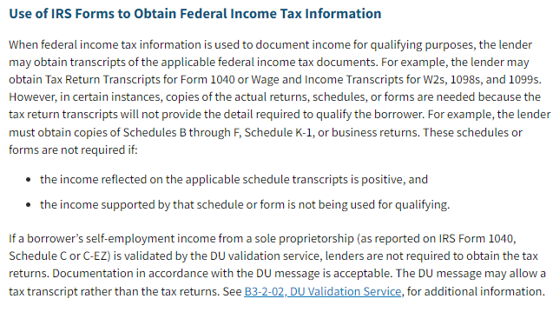

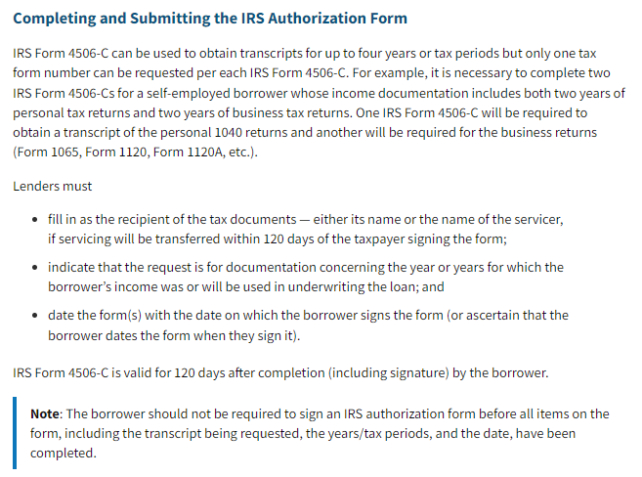

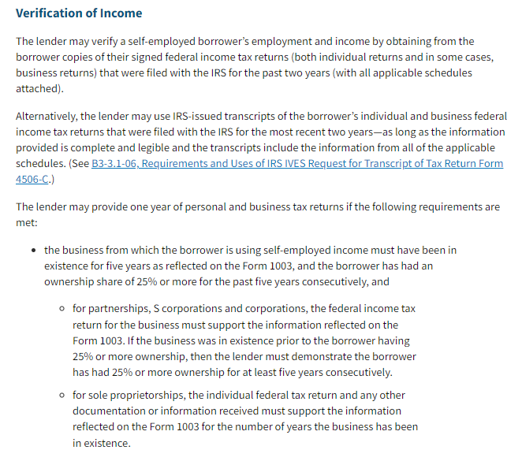

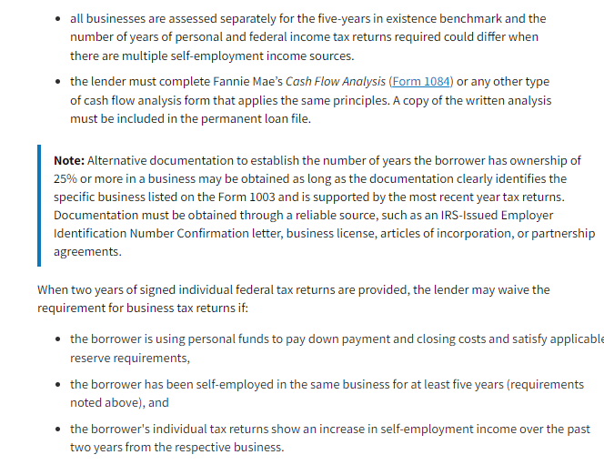

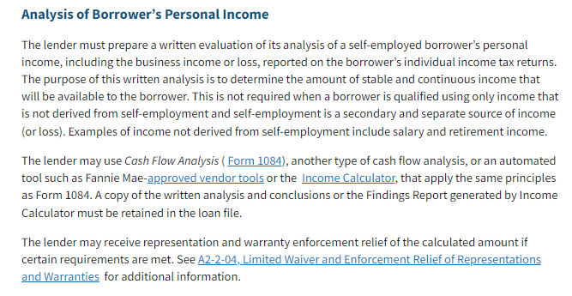

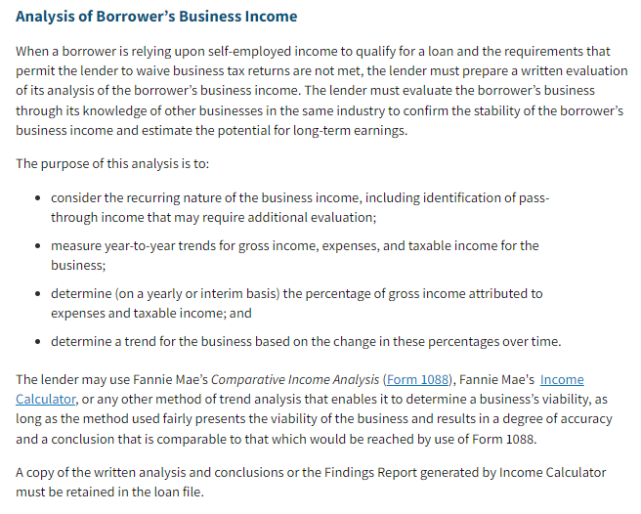

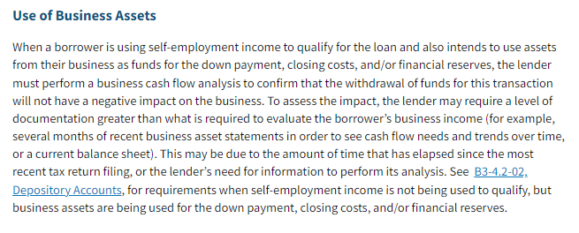

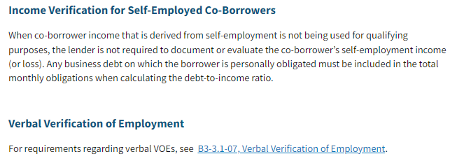

K1 1065
 |  |  |  | January 2026 v.1.0 (KP)
Schedule K1 (Form 1065) Partnership Earnings

 | BORROWER:

 | BUSINESS 1
K-1 income: Evidence of distribution required; if distributions not present, review guidelines for additional documentation requirements based on ownership % |  |  |  |  |  | B3-3.2-01, Underwriting Factors and Documentation for a Self-Employed Borrower (12/13/23)
 |  |  |  | Most Recent Tax Year →

Ordinary Income (Loss) Box 1 K-1 |  |  |  | (Loss) Enter as Negative
Net Rental RE; Other Net Rental Income (Loss) Box 2 and/or 3 K-1 |  |  | $- | (Loss) Enter as Negative | $-
Guaranteed Payments to Partner (Line 4c K-1) |  |  | $- | 2 Year history required | $-

 |  |  | $- | KI Earnings | $-

Percentage of Ownership (Box J) |  |  | 0% |  | 0%

Ordinary (Income) Loss from Other P-Ships (Line 4) |  |  | $- | (Income) Enter as Negative | $- | B3-3.3-07, Income or Loss Reported on IRS Form 1065 or IRS Form 1120S, Schedule K-1 (02/07/2024)
Nonrecurring Other (Income) Loss (Line 7) |  |  | $- | (Income) Enter as Negative | $-
Depreciation (Line 16c) |  |  | $- |  | $-
Depletion (Line 17) |  |  | $- |  | $-
Amortization/Casualty Loss (Line 20) * |  |  | $- |  | $-
* Amorization/Casualty Loss is disclosed in sub-schedule that rolls up to Line 20
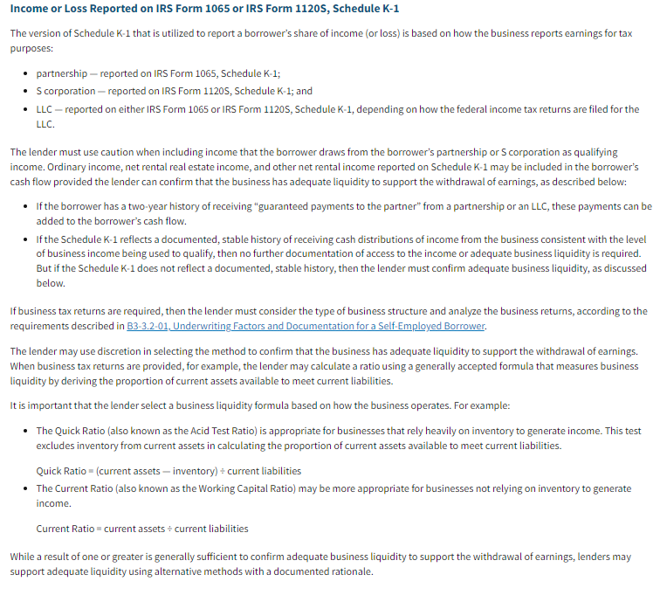
Mortgages, Notes, Bonds payable in less than 1 year |  |  | $- | Enter as Negative | $-
(Schedule L Line 16d - Ending Balance)
Non-deductible Travel & Entertainment (Schedule M-1 Line 4b→3b) |  |  | $- | Enter as Negative | $-
W-2 Earnings |  |  | $- |  | $-

Adjustments Subtotal |  |  | $- |  | $-

Total Form 1065 (Subtotal multiplied by percentage of ownership) |  |  | $- |  | $-

 |  |  | $- | MONTHLY INCOME | $-

 |  |  | $- | ANNUAL INCOME | $-

 |  | $0.00 | 24 MONTH AVERAGE INCOME |  | $-

Underwriter Comments:

Schedule K1 (Form 1065) Partnership Earnings

 | BORROWER:

 | BUSINESS 2

 |  |  |  | Most Recent Tax Year →

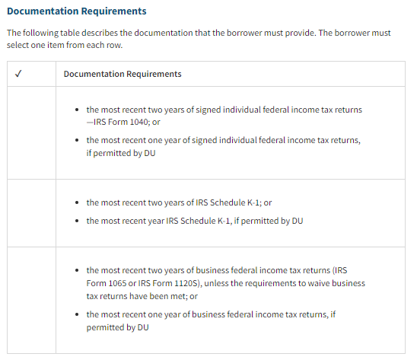
Ordinary Income (Loss) Box 1 K-1 |  |  | $- | (Loss) Enter as Negative | $-
Net Rental RE; Other Net Rental Income (Loss) Box 2 and/or 3 K-1 |  |  | $- | (Loss) Enter as Negative | $-
Guaranteed Payments to Partner (Line 4c K-1) |  |  | $- | 2 Year history required | $-

 |  |  | $- | KI Earnings | $-

Percentage of Ownership (Box J) |  |  | 0% |  | 0%

Ordinary (Income) Loss from Other P-Ships (Line 4) |  |  | $- | (Income) Enter as Negative | $-
Nonrecurring Other (Income) Loss (Line 7) |  |  | $- | (Income) Enter as Negative | $-
Depreciation (Line 16c) |  |  | $- |  | $-
Depletion (Line 17) |  |  | $- |  | $-
Amortization/Casualty Loss (Line 20) * |  |  | $- |  | $-
* Amorization/Casualty Loss is disclosed in sub-schedule that rolls up to Line 20
Mortgages, Notes, Bonds payable in less than 1 year |  |  | $- | Enter as Negative | $-
(Schedule L Line 16d - Ending Balance)
Non-deductible Travel & Entertainment (Schedule M-1 Line 4b→3b) |  |  | $- | Enter as Negative | $-
W-2 Earnings |  |  | $- |  | $-

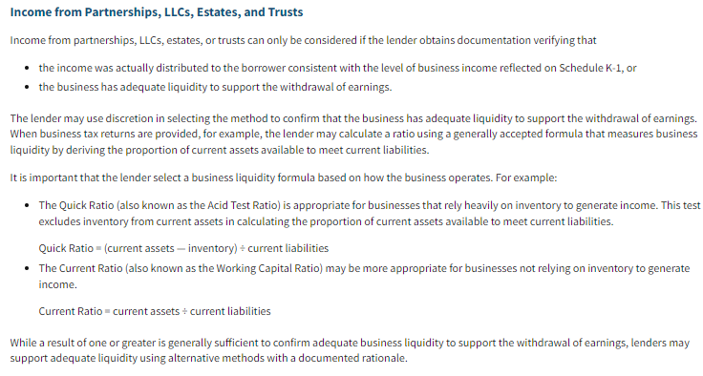
Adjustments Subtotal |  |  | $- |  | $-

Total Form 1065 (Subtotal multiplied by percentage of ownership) |  |  | $- |  | $-

 |  |  | $- | MONTHLY INCOME | $-

 |  |  | $- | ANNUAL INCOME | $-

 |  | $0.00 | 24 MONTH AVERAGE INCOME |  | $-

Underwriter Comments:

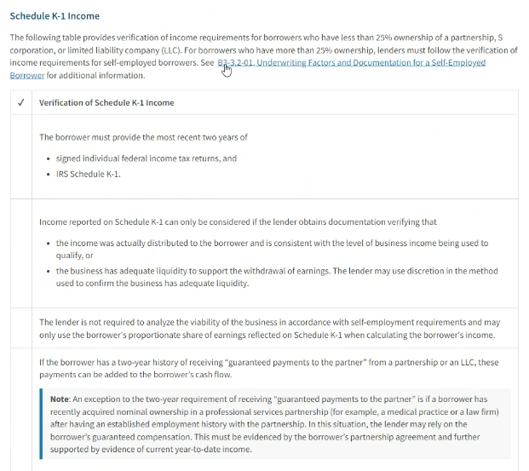

Liquidity Wkst
 |  |  |  | January 2026 v.1.0 (KP)
Liquidity Worksheet

 |  | BORROWER:

 |  | BUSINESS 1

I. Schedule L - Assets
 |  |  |  | Most Recent Tax Year →
1. Cash
 | Line 1, Column d |  | $- |  | + | $-
2. Trade Notes and Accounts Receivable
 | Line 2b, Column d |  | $- |  | + | $-
3. Inventories
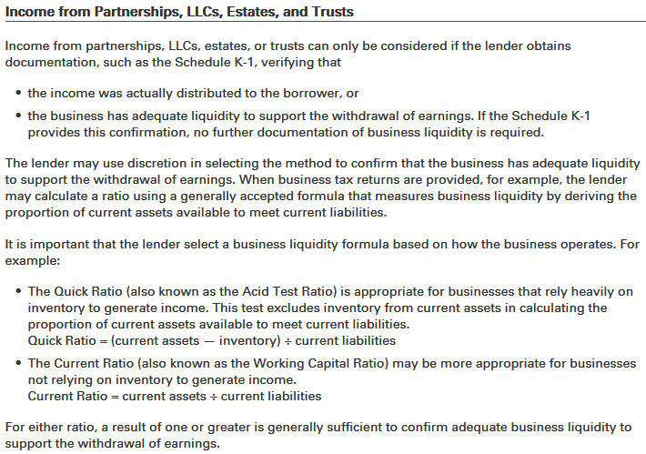
 | Line 3, Column d |  | $- |  | + | $-
4. Other Current Assets
 | Line 6 (statement required) |  | $- |  | + | $-
5. Total Current Assets
 | Combine Lines 1 - 4, Column d |  | $- |  | = | $-

II. Schedule L - Liabilities

5. Accounts Payable
1120S - Line 16/1065 - Line 15, Column d |  |  | $- |  | + | $-
6. Mortgage note bond payment less than one year
1120S - Line 17/1065 - Line 16, Column d |  |  | $- |  | + | $-
7. Other Current Liabilities
1120S - Line 18/1065 - Line 17, Column d |  |  | $- |  | + | $-
8. Total Current Liabilities
Combine Lines (1120S 16-18/1065 15-17) |  |  | $- |  | = | $-

If the borrower has zero liabilities, enter $1 in Accounts Payable. If total liabilities is zero, system will return error since you cannot divide into $0

Current Ratio
Divide Total Current Assets (Line 5) by
Total Current Liabilities (Line 8) |  |  | #DIV/0! |  |  | #DIV/0!

Quick Ratio
Divide Current Assets (Lines 1 & 2) by
Total Current Liabilities (Line 8) |  |  | #DIV/0! |  |  | #DIV/0!

Underwriter Comments

Liquidity Worksheet

 |  | BORROWER:

 |  | BUSINESS 2

I. Schedule L - Assets
 |  |  |  | Most Recent Tax Year →
1. Cash
 | Line 1, Column d |  | $- |  | + | $-
2. Trade Notes and Accounts Receivable
 | Line 2b, Column d |  | $- |  | + | $-
3. Inventories
 | Line 3, Column d |  | $- |  | + | $-
4. Other Current Assets
 | Line 6 (statement required) |  | $- |  | + | $-
5. Total Current Assets
 | Combine Lines 1 - 4, Column d |  | $- |  | = | $-

II. Schedule L - Liabilities

5. Accounts Payable
1120S - Line 16/1065 - Line 15, Column d |  |  | $- |  | + | $-
6. Mortgage note bond payment less than one year
1120S - Line 17/1065 - Line 16, Column d |  |  | $- |  | + | $-
7. Other Current Liabilities
1120S - Line 18/1065 - Line 17, Column d |  |  | $- |  | + | $-
8. Total Current Liabilities
Combine Lines (1120S 16-18/1065 15-17) |  |  | $- |  | = | $-

If the borrower has zero liabilities, enter $1 in Accounts Payable. If total liabilities is zero, system will return error since you cannot divide into $0

Current Ratio
Divide Total Current Assets (Line 5) by
Total Current Liabilities (Line 8) |  |  | #DIV/0! |  |  | #DIV/0!

Quick Ratio
Divide Current Assets (Lines 1 & 2) by
Total Current Liabilities (Line 8) |  |  | #DIV/0! |  |  | #DIV/0!

Underwriter Comments

CCorp 1120
 |  |  |  | January 2026 v.1.0 (KP)
SELF EMPLOYMENT C CORP INCOME (1120)

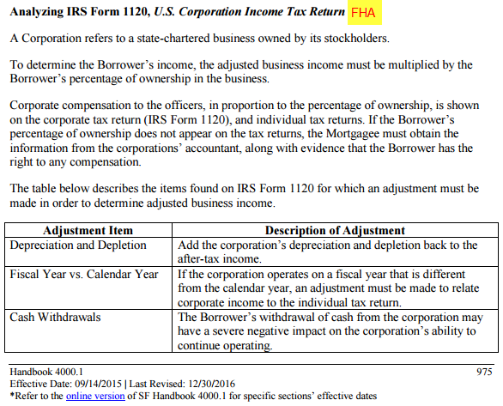
 | BORROWER

 | BUSINESS 1

CORPORATION (Need 1040 & Form 1120 with attachments as shown on 1120)

 |  |  |  | Most Recent Tax Year →

Taxable Income (Line 30 Form 1120) |  |  | $- |  | $-
Total Tax (Line 31 Form 1120) |  |  | $- | Enter as Negative | $-
Nonrecurring (Gains) Losses (Line 9 Form 1120, from Form 4797) |  |  | $- | (Gains) Enter as Negative | $-
Nonrecurring Other (Income) Loss (Line 10 Form 1120) |  |  | $- | (Income) Enter as Negative | $-
Depreciation (Line 20 Form 1120) |  |  | $- |  | $-
Depletion (Line 21 Form 1120) |  |  | $- |  | $-
Amortization or Casualty Loss (Line 26 - Attach Statement) |  |  | $- |  | $-
Net Operating Loss & Special Deductions (Line 29c Form 1120) |  |  | $- |  | $-
Mortgage, Note, Bond payable in less than 1 year |  |  | $- | Enter as Negative | $-
(Schedule L - Line 17 form 1120)
Travel, Meals & Entertainment Exclusion |  |  | $- | Enter as Negative | $-
(Schedule MI - Line 5c form 1120)
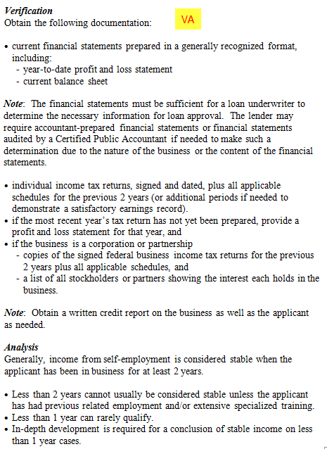
Dividends Paid to Borrower (1040 Schedule B, Part II) |  |  | $- | Enter as Negative | $-

Total Income for Tax Year from Corporation |  |  | $- |  | $-

% of Ownership in Corporation (1125-E) |  |  | 100% |  | 100%

W2 |  |  | $- |  | $-

Borrower's Income for Tax Year |  |  | $- |  | $-

 |  | MONTHLY INCOME | $- |  | $-

 |  | 24 MONTH AVERAGE | $- |  | $0.00

 |  |  | QUALIFYING INCOME USED |  | $-

Income Calculation Explanation:

SELF EMPLOYMENT C CORP INCOME (1120)

 | BORROWER

 | BUSINESS 2

CORPORATION (Need 1040 & Form 1120 with attachments as shown on 1120)

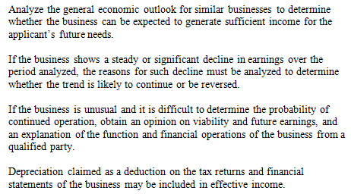
 |  |  |  | Most Recent Tax Year →

Taxable Income (Line 30 Form 1120) |  |  | $- |  | $-
Total Tax (Line 31 Form 1120) |  |  | $- | Enter as Negative | $-
Nonrecurring (Gains) Losses (Line 9 Form 1120, from Form 4797) |  |  | $- | (Gains) Enter as Negative | $-
Nonrecurring Other (Income) Loss (Line 10 Form 1120) |  |  | $- | (Income) Enter as Negative | $-
Depreciation (Line 20 Form 1120) |  |  | $- |  | $-
Depletion (Line 21 Form 1120) |  |  | $- |  | $-
Amortization or Casualty Loss (Line 26 - Attach Statement) |  |  | $- |  | $-
Net Operating Loss & Special Deductions (Line 29c Form 1120) |  |  | $- |  | $-
Mortgage, Note, Bond payable in less than 1 year |  |  | $- | Enter as Negative | $-
(Schedule L - Line 17 form 1120)
Travel, Meals & Entertainment Exclusion |  |  | $- | Enter as Negative | $-
(Schedule MI - Line 5c form 1120)
Dividends Paid to Borrower (1040 Schedule B, Part II) |  |  | $- | Enter as Negative | $-

Total Income for Tax Year from Corporation |  |  | $- |  | $-

% of Ownership in Corporation (1125-E) |  |  | 100% |  | 100%

W2 |  |  | $- |  | $-

Borrower's Income for Tax Year |  |  | $- |  | $-

 |  | MONTHLY INCOME | $- |  | $-

 |  | 24 MONTH AVERAGE | $- |  | $0.00

 |  |  | QUALIFYING INCOME USED |  | $-

Income Calculation Explanation:

FHA Rent
 |  |  |  |  |  | April 2026 v.1.0 (KP)
FHA RENTAL INCOME SUBJECT PROPERTY

 | BORROWER

Borrower does NOT have a history of rental income from subject since previous tax filing.

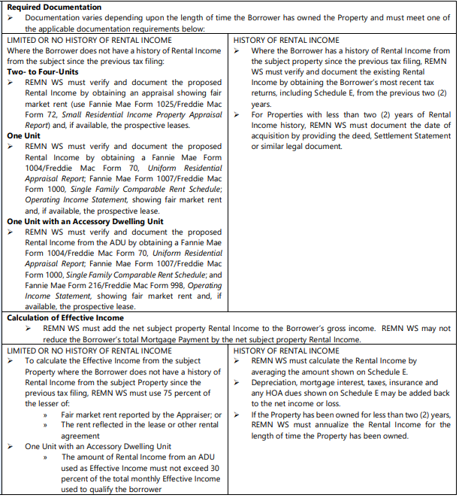
Fair Market Rent reported by the Appraiser |  |  |  |  | $0.00 | x 75% | $0.00
The rent reflected in the lease or other rental agreement |  |  |  |  | $0.00 | x 75% | $0.00
 |  |  |  |  |  |  | Lesser of
 |  |  |  |  | Effective Income |  | $0.00

Is this an ADU?
2020-08-12 |  | No
Input Effective Income:

Is Loan a 203k?

Borrower HAS history of rental income from the subject property since the previous tax filing.

 | Prior Tax Year → |  |  |  | Most Recent Tax Year →

 | Income (+) or Loss (-) (Line 21) |  | $0.00 | (Loss) Enter as Negative |  |  | $0.00
 | Depreciation (Line 18) |  | $0.00 |  |  |  | $0.00
 | Insurance (Line 9) |  | $0.00 |  |  |  | $0.00
 | Mortgage Interest (Line 12) |  | $0.00 |  |  |  | $0.00
 | Taxes (Line 16) |  | $0.00 |  |  |  | $0.00
 | HOA Dues (Line 19 if appl) |  | $0.00 |  |  |  | $0.00

 | Gross Rental Income (Loss) |  | $0.00 |  |  |  | $0.00

 | Monthly Gross Rental (Loss) |  | $0.00 |  |  |  | #DIV/0!

 | 24 Month Average Rental Income (Loss) |  |  |  |  |  | $0.00

 | Enter number of months property owned during 24 month period:

 | Annualized Income (Loss) |  |  |  |  |  | #DIV/0!

 | Declining 12 Month Income |  |  |  |  |  | #DIV/0!

 |  |  |  | Effective Income: |  |  | #DIV/0!

Is this an ADU?
2020-08-12
Input Effective Income: |  |  | x 30% |  | $0.00

Underwriter Comments:

FHA RENTAL INCOME NOT SUBJECT PROPERTY #1

 | BORROWER

 | PROPERTY #1

Borrower does NOT have a history of rental income from subject since previous tax filing.

Fair Market Rent reported by the Appraiser |  |  |  |  | $0.00 | x 75% | $0.00
The rent reflected in the lease or other rental agreement |  |  |  |  | $0.00 | x 75% | $0.00
 |  |  |  |  |  |  | Lesser of
 |  |  |  |  | Effective Income |  | $0.00

Is this an ADU?
2020-08-12 |  | No
Input Effective Income:

Is Loan a 203k?

Borrower HAS history of rental income from the subject property since the previous tax filing.

 | Prior Tax Year → |  |  |  | Most Recent Tax Year →

 | Income (+) or Loss (-) (Line 21) |  | $0.00 | (Loss) Enter as Negative |  |  | $0.00
 | Depreciation (Line 18) |  | $0.00 |  |  |  | $0.00
 | Insurance (Line 9) |  | $0.00 |  |  |  | $0.00
 | Mortgage Interest (Line 12) |  | $0.00 |  |  |  | $0.00
 | Taxes (Line 16) |  | $0.00 |  |  |  | $0.00
 | HOA Dues (Line 19 if appl) |  | $0.00 |  |  |  | $0.00

 | Gross Rental Income (Loss) |  | $0.00 |  |  |  | $0.00

Monthly Gross Rental Income (Loss) |  |  | $0.00 |  |  |  | #DIV/0!

 |  |  | #DIV/0! |  | 24 Month Average |  | $0.00

 | Enter number of months property owned during 24 month period:

 |  |  |  |  | Annualized Income |  | #DIV/0!

 |  |  | Declining 12 Month Income |  |  |  | #DIV/0!

 |  |  |  |  | Effective Income: |  | #DIV/0!

Is this an ADU?
2020-08-12
...

VA Rent
 |  |  | January 2026 v.1.0 (KP)
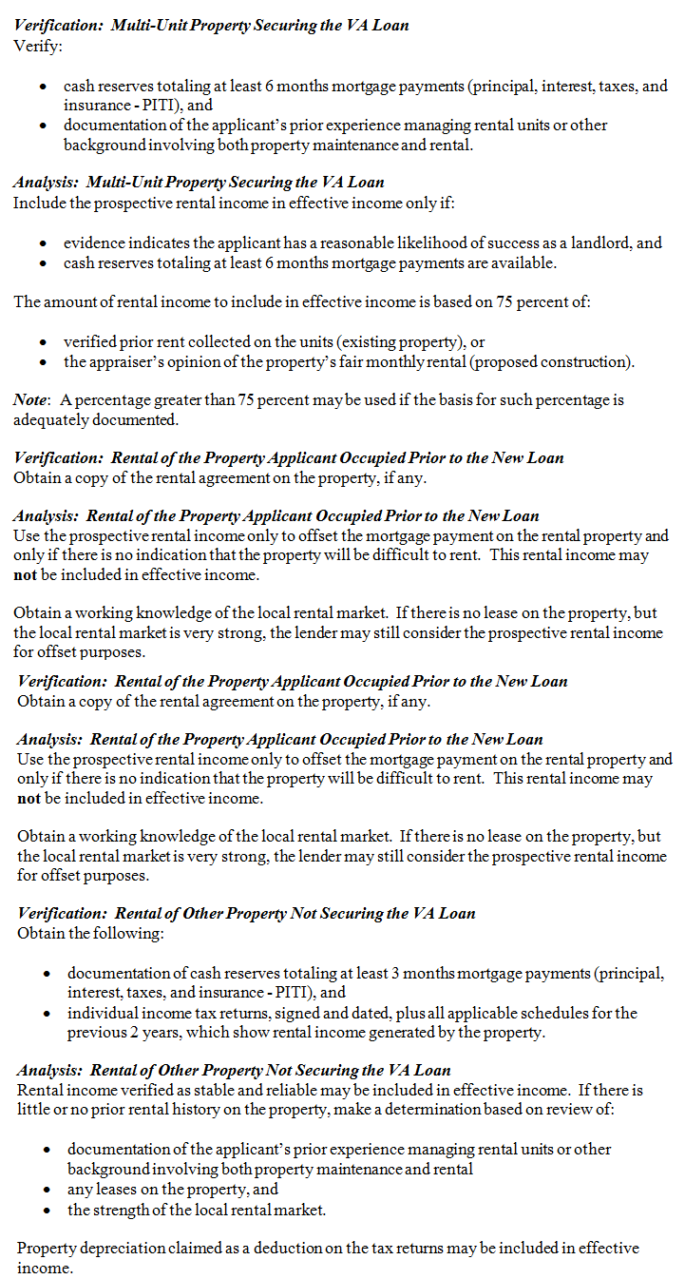
...
BORROWER
...
 |  | Most Recent Tax Year →

 | $- | (Loss) Enter as Negative |  | $-
 | $- |  |  | $-

 | $- |  |  | $-

 | $- |  |  | $-

 |  | 24 Month Average |  | $-
...
BORROWER

PROPERTY 1
...
 |  | Most Recent Tax Year →

 | $- | (Loss) Enter as Negative |  | $-
 | $- |  |  | $-

 | $- |  |  | $-

 | $- |  |  | $-

 |  | 24 Month Average |  | $-
...
BORROWER

PROPERTY 2
...

